1. Title Page
[Grocery Basket Analysis]

Project Name: 30-07-2023 Instacart Basket Analysis
Date: 30-07-2023
Analyst Name: Yukbuin Nemtat

Contents:
Population Flow
Consistency checks
Wrangling steps
Column derivations
Visualizations
Recommendations
Source: “The Instacart Online Grocery Shopping Dataset 2017”, Accessed from www.instacart.com/datasets/grocery-shopping-2017 via Kaggle for educational purposes.

2. Population Flow
Title page

Population flow

Exclusion flag
Condition: max_order < 5
Obervations to be removed: 575,303
Final total count of order_products_all: 30,082,044

Orders_products_combined
Orders_products_merged
Orders_products_all

Total: 32,434,212
Total: 32,434,489
Total: 30,657,347

1.) The grey boxes in the first row of the population flow represent the original data sets as they were when you downloaded them. In the Total fields you need to add the count of the rows when you imported the data set into Jupyter.
2.) The second row of boxes (coloured) represents the data sets after you manipulated them, e.g., removed missing values and duplicates. In the Total fields you need to add the count of the rows after conducting these operations. This offers a visual oveview of how the data flows throughout the data consistency checks.
3.) The third row, where also the arrows are coloured, represents the merges you performed between the datasets. In the Total fields you need to add the count of the rows in the merged datasets, so that you end up with the final dataset (in the red box). Keep in mind the final dataset should be without exclusions (based on the exclusion flag).

3. Consistency checks
 |  |  |  | Title page
Consistency checks

Dataset | Missing values | Missing values treatment | Duplicates
orders | There are 206,209 missing values in the days_since_prior_order column. | Substituted missing values to 0 | No duplicates observed
products | There are 16 missing values in the product_name column | Dropped | 5 duplicates observed
orders_products_prior | No missing values observed | None | No duplicates observed
customers | Some missing values for the First Name column | Dropped | No duplicates observed

4. Wrangling steps
 |  |  |  | Title page
Wrangling steps

Columns dropped | Columns renamed | Columns' type changed | Comment/Reason
 | order_dow |  | changed to orders_day_of_week
 |  | user_id | changed to string
 | prd |  | changed to product_description
 | Surnam |  | changed to Last Name
 | fam_status |  | changed to Marital_status
 | n_dependants |  | changed to Number_of_dependants
 | STATE |  | changed to State
First Name |  |  | As a result of PII
Last Name |  |  | As a result of PII

5. Column derivations
 |  |  |  | Title page

Column derivations and aggregations

In this tab you should add tables below that the frequences of flags/label variables that you produced after deriving them. NB: don't do this for continuous variables, only for flags.
Dataset | New column | Column/s it was derived from | Conditions
ords_prods_merged | price_range_loc | prices | if price is > 15 : High_range product
 |  |  | if price is <= 15 : Mid_range product
 |  |  | if price is <= 5 : low_range product
ords_prods_merged | busiest_day | orders_day_of_week | if value = 0 : Busiest day
 |  |  | if value = 4: least busy
 |  |  | if value = all/else regularly busy
ords_prods_merged | busiest_days | orders_day_of_week | lambda x: 'Busiest days'
 |  |  | if x in busiest_days else 'Slowest days'

ords_prods_merged | busiest_period_of_day | order_hour_of_day | most_orders_threshold = hourly_order_count.quantile(0.75)fewest_orders_threshold = hourly_order_count.quantile(0.25)
 |  |  | elif order_count >= fewest_orders_threshold: Average orders
 |  |  | else order_count = Fewest orders
ords_prods_merged | loyalty_flag | max_oder (formed using groupby on user_id and order_number | max_order> 1, 'loyalty_flag' = 'Loyal Customer'
 |  |  | max_order = 1, 'loyalty_flag' = 'Regular Customer'
 |  |  | max_order = 0, 'loyalty_flag' = 'New Customer'
ords_prods_merged | spending_flag | mean_price (prices) | High spender: mean_price >= 10
 |  |  | low spender: mean_price <10
ords_prods_merged | order_frequency_flag | median_days (days_since_prior_order) | median_days <=10: Frequent customer
 |  |  | median_days >10:Non-Frequent customer
combined_data_new | Region | State | State = Specified Region
combined_data_new | Activity | income | Low: if max order = 5
Df_new | age_group | Age | Older Age >= 60
 |  |  | Middle Age >35 & <60
 |  |  | Young Age <= 35
Df_new | income_group | income | if mean income >= 99676
 |  |  | if mean income <= 99675

Df_new | dependent_group | Number_of_dependants | if Number_of_dependants = 0: Negative
 |  |  | if Number_of_dependants > 0: Positive
Df_new | Customer_profile (parent_profile) | dependent_group and age_group | when expenditure frequency flag = Positive: parents (Old, middle aged and younger)

 |  |  | when expenditure frequency flag = Negative: Non parents (Old, middle aged and younger)

6. Visualizations
Title page

Visualisations

In this tab you should include all the visualtions from Exercises 4.9 and 4.10, alongside the questions from the project brief that they answer. Include any commentary on the relationship between different variables.

Task 4.9 Part 2
Task 4.10 Part 1

Q3. You need to provide the Instacart senior stakeholders with descriptive findings about sales.
Create a histogram of the “order_hour_of_day” column.
Q5. The marketing and business strategy units at Instacart want to create more-relevant marketing
strategies for different products and are, thus, curious about customer profiling in their database.
Create a profiling variable based on age, income, certain goods in the “department_id” column, and number of dependents.
You might also use the “orders_day_of_the_week” and “order_hour_of_day” columns if you can think of a way they would impact customer profiles. (Hint: As an example, try thinking of what characteristics would lead you to the profile “Single adult” or “Young parent.”)
Q6. Create an appropriate visualization to show the distribution of profiles.





The histogram illustrates the distribution of orders made during different hours of the day.
The peak order hours are around mid-morning to late afternoon,
suggesting that most customers prefer to place their orders during this time.

Older Age >= 60
Middle Age
>35 & <60
Young Age <= 35
if mean income
>= 99676
if mean income
<= 99675
if Number_of_dependants
= 0: Negative
Q4. The marketing team is curious about the distribution of orders among
customers in terms of loyalty. Create a bar chart from the “loyalty_flag” column.
if
Number_of_dependants
> 0: Positive

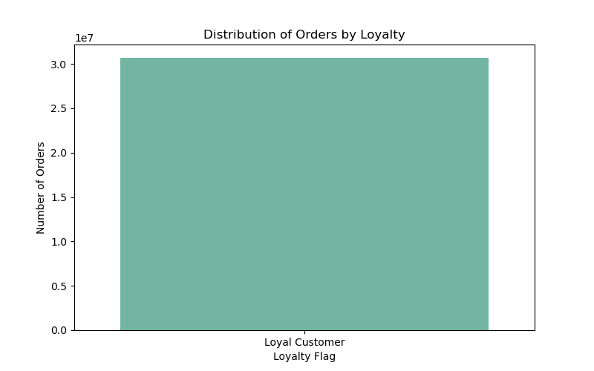

Q8 & Q9. Compare your customer profiles with regions and departments, identifying link between them through visualization charts,
illustrating their different behaviors across regions, which could make the information important.

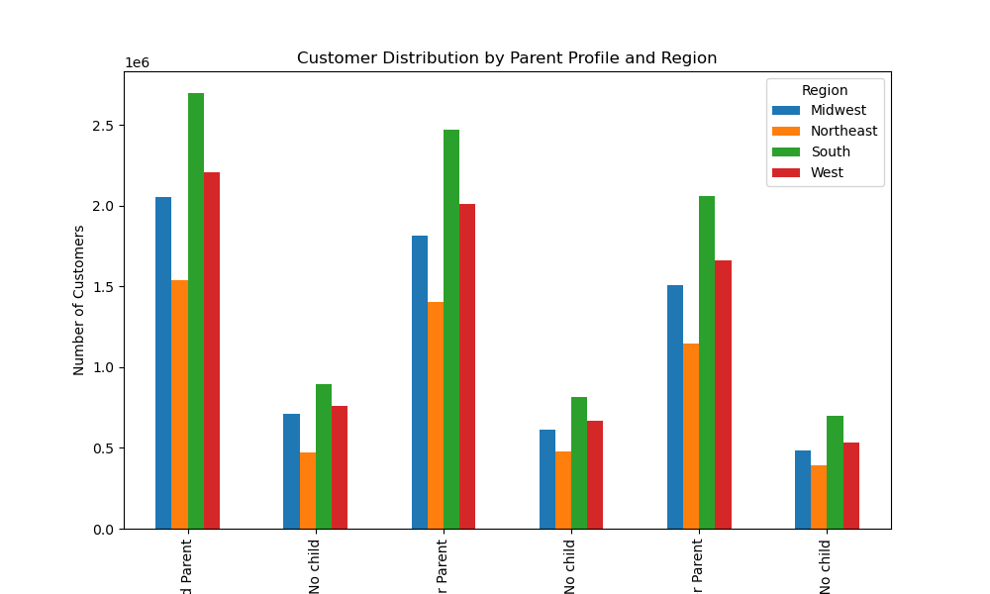

The bar chart provides insights into the distribution of orders based on customer loyalty.
It indicates whether customers are loyal or not. This information can help the marketing
team target loyalty programs more effectively. The info is so due to a unique representation of the analysis

Q5. Check whether there’s a difference in expenditure (the “prices” column) depending on the hour of the day.
(Hint: To check this, you need to use an accurate sample for your line chart!)

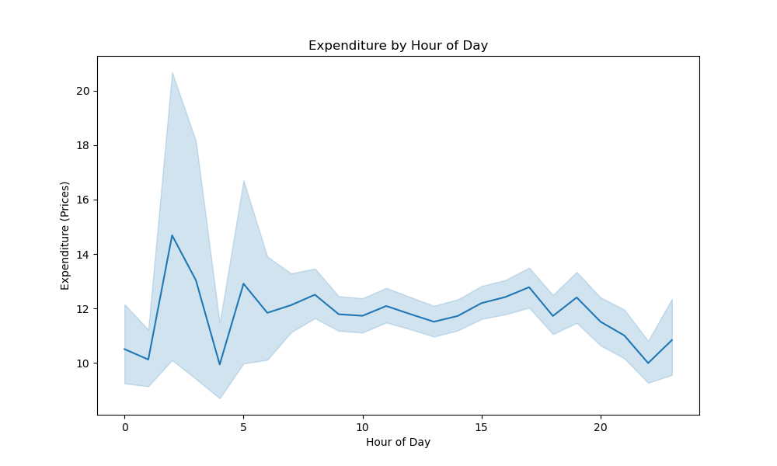

* Diversity of Parent Profiles: In each region, we see varying proportions of different parent profiles.
This suggests that customers' roles as parents may play a role in their purchasing behaviors or preferences.
* Regional Variations: The distribution of parent profiles is not consistent across regions. Certain profiles might be
more prevalent in specific regions. This hints at the possibility of regional factors influencing customers' preferences.
* Behavioral Patterns: If we delve deeper into these profiles, we might uncover behavioral patterns. For instance, if 'High Spender'
profiles are more common in a particular region, it could indicate a higher average spending capacity among customers in that area.
* Marketing Opportunities: Understanding these differences can guide marketing strategies. Tailoring marketing campaigns based
on regional preferences and customer profiles could yield higher engagement and conversion rates.
* Operational Considerations: Operational teams could also benefit from this information. If certain profiles are more prevalent in specific
regions, it might impact inventory management, product assortment, or service offerings.

The line chart showcases the relationship between the hour of the day and the expenditure made by customers.
It suggests that there might be variations in spending patterns throughout the day, with potential peaks during
certain hours in the morning.

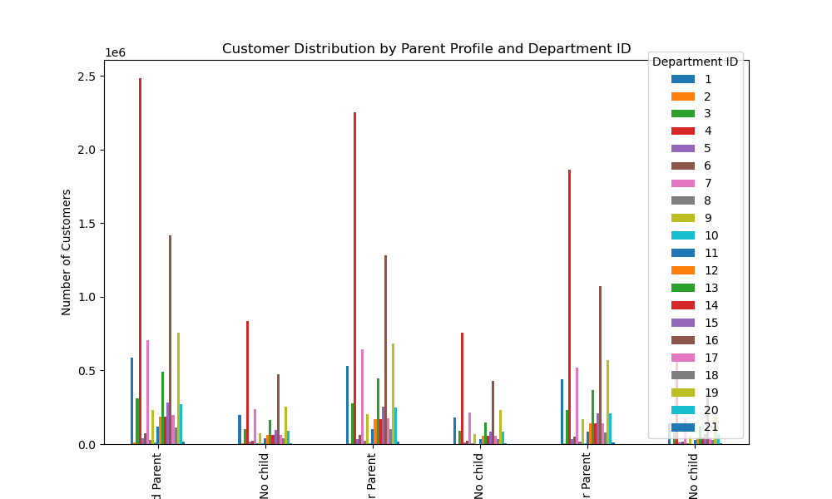
Q6. Now that you have information about customers, you need to conduct some exploratory analysis of
customer demographics to inform the targeted marketing campaigns. First, determine whether there’s a
connection between age and family situation by creating a line chart exploring the connections between
age and number of dependents:In a markdown cell beneath your line chart, describe what the line chart shows.
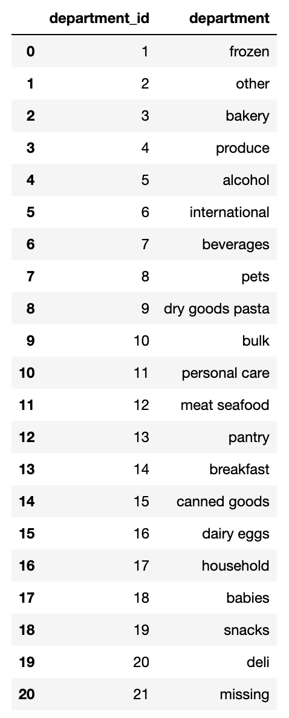

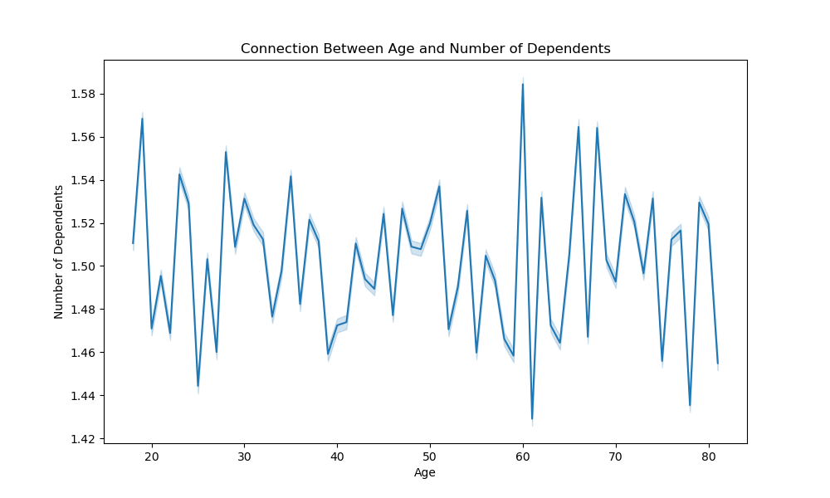

The line chart explores the correlation between a customer's age and the number of dependents they have.
It appears that there is a tendency for younger customers to have fewer dependents, with the number increasing
as customers get older or more high peaks of the chart are portrayed as customer tend to fall under ageing groups.

Q7. You’ll also need to explore whether there’s a connection between age and spending power (income).
To visualize this relationship, create a scatterplot using the sns.scatterplot() function.
In a markdown cell beneath your scatterplot, describe what the scatterplot shows.
By observing the resulting bar graph, we can glean several insights:
*Segmentation by Department: The graph visualizes how customers with different parent profiles are distributed across various departments.
This segmentation might reveal which parent profiles are more likely to engage with specific departments.
*Behavioral Clusters: If certain parent profiles tend to cluster around particular department, it suggests that customers with similar
behaviors or preferences gravitate towards related services or products.
*Marketing Strategies: The insights gained from this analysis can guide targeted marketing strategies.
If 'High Spender' profiles are frequently associated with a specific department, marketers can tailor campaigns to appeal to this group's preferences.
*Resource Allocation: Operational decisions related to resource allocation, inventory management, and customer support
can be influenced by these insights. For instance, departments with high customer concentration might require extra attention.

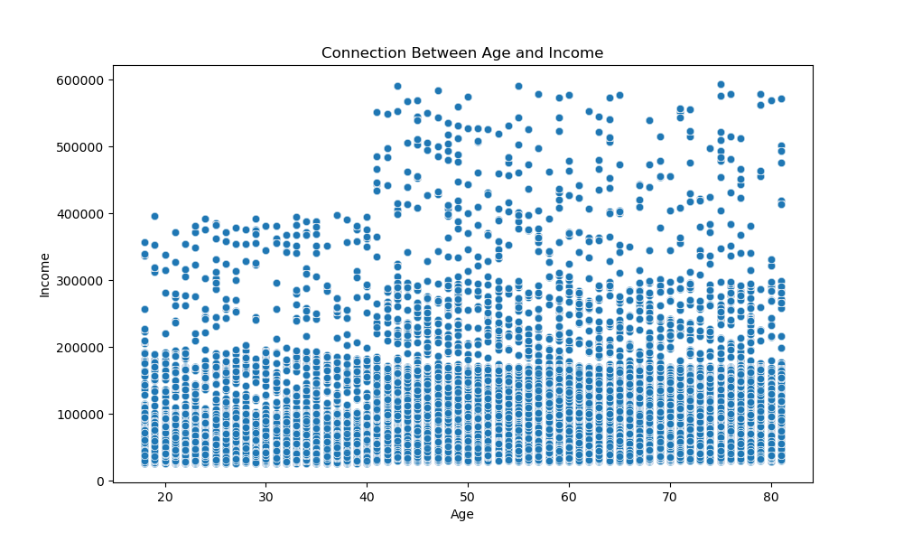

The scatterplot visually demonstrates the relationship between a customer's age and their income.
While there isn't a clear linear correlation, there seem to be clusters of higher income customers across various age groups.

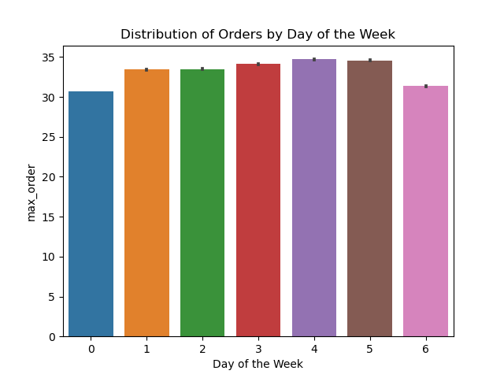

Days of the Week
Legend
0 - Saturday
1 - Sunday
2 - Monday
3 - Tuesday
4 - Wednesday
5 - Thursday
6 - Friday

Wednesday and Thursday show most orders per week.
Sartuday shows the least orders followed by Friday.

7. Recommendations
 | Title page

Recommendations

In this tab you should include any recommendations you would made to Instcart in terms of their marketing strategy based on the questions posed in the brief. Every key question has been covered in the Tasks of the Exercises - here you need to add an item - a visualisation or table/crosstable that is showing the answer in the data, acompanied by a comment from you. Please, list the questions below and add the answer underneath.

Question 1. The sales team needs to know what the busiest days of the week and hours of the
day are (i.e., the days and times with the most orders) in order to schedule ads at
times when there are fewer orders.
Answer : Based on my observations, almost everyday of the week is busy but the days with most orders are Wednesday and Thursday.
The days with the least orders are Sartuday and Friday i.e weekend, Most orders are placed within the 9:30 am and 3:30 pm.
Recommendation : Adverts and sale discounts should be done for days that have least orders to boost orders for these days,
as well as for days with most orders to increase demand and profit.

6. Visualizations'!A1

Question 2. They also want to know whether there are particular times of the day when people
spend the most money, as this might inform the type of products they advertise at
these times.
Answer : Expenditure time for most customers during the period of the day peaks around 2:00 am - 4:00 am.
Recommendation: Adverts for products with high orders should be done during that time of the day as well as sales discount.

6. Visualizations'!A63

Question 3: Are there certain types of products that are more popular than others? The marketing
and sales teams want to know which departments have the highest frequency of
product orders.
Answer : Produce has more product orders than others followed by dairy eggs.
Recommendation : Since they are perishable goods that might turn into waste after date of expiration, more focus should be done on perishable
goods like snacks, alcohol and beverages to increase the frequency of their orders.

6. Visualizations'!S91

Question 4: The marketing and sales teams are particularly interested in the different types of
customers in their system and how their ordering behaviors differ. For example:
a) What’s the distribution among users in regards to their brand loyalty (i.e., how
often do they return to Instacart)?
b) Are there differences in ordering habits based on a customer’s loyalty status?
c) Are there differences in ordering habits based on a customer’s region?
d) Is there a connection between age and family status in terms of ordering
habits?
e) What different classifications does the demographic information suggest?
Age? Income? Certain types of goods? Family status?
f) What differences can you find in ordering habits of different customer
profiles? Consider the price of orders, the frequency of orders, the products
customers are ordering, and anything else you can think of.
Answer :
a) Most customer that appear to top the chart are loyal customers which is unioque.
Recommendation: Most customers at the top of the loyalty chart exhibit a strong sense of brand loyalty.
Their consistent return to Instacart indicates that they find value in the service. Tailoring marketing efforts
to reward and retain these loyal customers can lead to stronger relationships and increased business.
b) I don't think there exist a great difference given that the loyalty of customers is unique hence almost have similar habits.
Recommendation: While there might not be significant differences in ordering habits based solely on loyalty status, it's
important to acknowledge the value of retaining existing loyal customers. Even if ordering habits seem similar, maintaining
a consistent level of service and offering personalized incentives can foster continued loyalty and encourage increased spending.
c) Yes, customer's ordering is not consistent across regions. Certain customers might be
more prevalent in specific regions. This hints at the possibility of regional factors influencing customers' preferences.
Recommendation: The observed inconsistencies in ordering habits across regions suggest that regional preferences
and cultural factors play a role in customer behavior. The marketing strategy should consider localized campaigns and
product recommendations that resonate with the specific preferences of each region. Adapting to regional variations
can enhance customer engagement.
d) Yes, most parents and married customers make the most orders than single and non-parent customers.
Recommendation: Married and parent customers seem to exhibit higher order frequencies, possibly due
to larger household needs. Marketing efforts could focus on providing family-oriented deals and packages
to cater to their requirements. For single and non-parent customers, emphasizing convenience and tailored
solutions might be more effective.
e) Younger customers and ageing customers tend to place less orders compared to mid-age customers (30 - 60 years old).
Recommendation: The observation that younger and older customers place fewer orders compared to mid-age customers
presents an opportunity. Tailored marketing campaigns aimed at specific age groups can be developed. For younger customers,
highlighting convenience and time-saving benefits could be effective, while for older customers, emphasizing ease of use and product
variety might resonate better.

6. Visualizations'!S100

